Sheet2
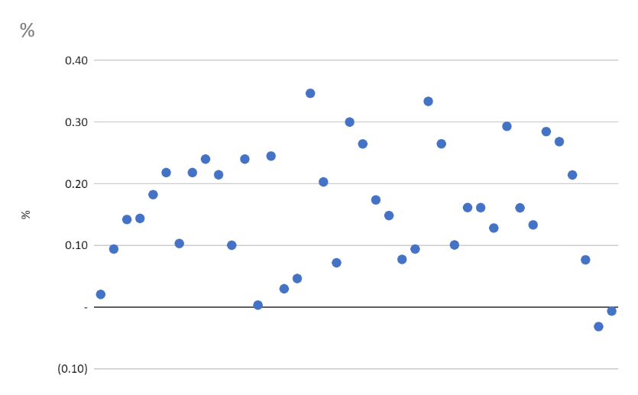
Name | Car Model | Price New | Price Now | Difference | %
Jared | Toyota Camry LE | 23070 | 22590 | 480 | 0.02
Jared | Toyota Camry SE | 23840 | 21590 | 2250 | 0.09
Jared | Nissan Altima 2.5 SR | 24470 | 20990 | 3480 | 0.14
AprilDawn | Toyota Camry SE | 23840 | 20406 | 3434 | 0.14
AprilDawn | Toyota Camry LE | 23070 | 18857 | 4213 | 0.18
Kelsey | Nissan Altima 2.5 S | 22900 | 17900 | 5000 | 0.22
Jared | Toyota Camry XSE | 26310 | 23590 | 2720 | 0.1
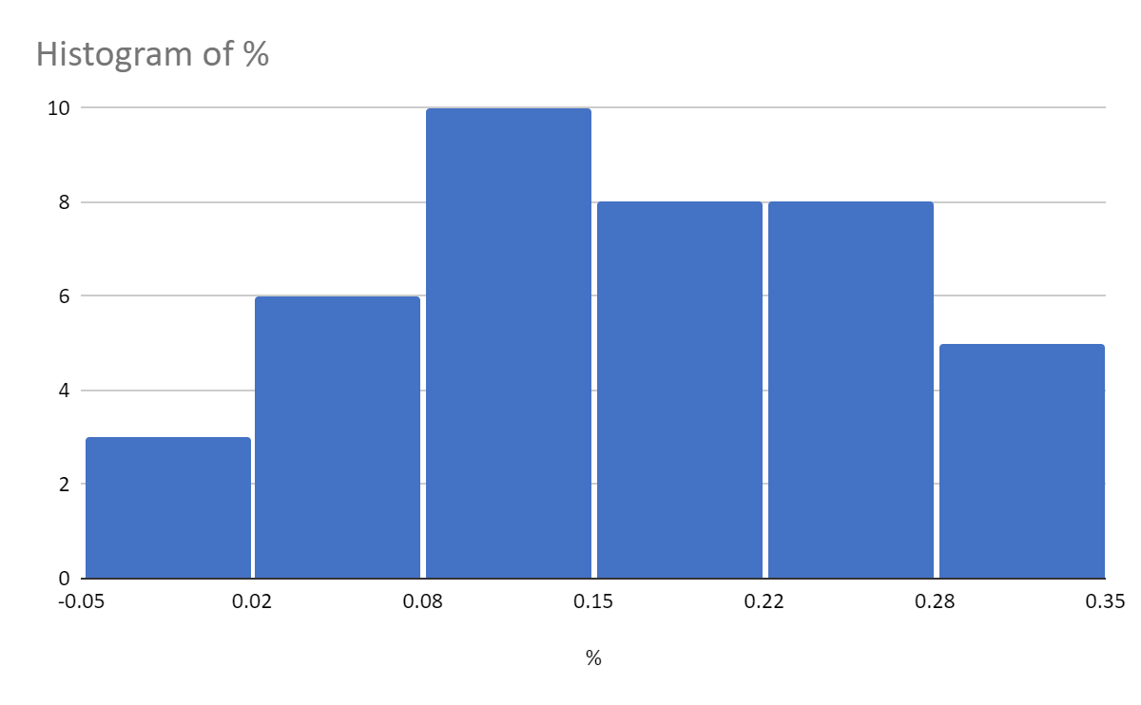
AprilDawn | Nissan Altima 2.5 SV | 25460 | 19900 | 5560 | 0.22
Jared | Nissan Altima 2.5 SR | 24470 | 18590 | 5880 | 0.24
Jared | Nissan Altima 2.5 SV | 25460 | 19990 | 5470 | 0.21
Kelsey | Toyota Camry LE | 23070 | 20750 | 2320 | 0.1
Jared | Nissan Altima 2.5 SR | 24470 | 18590 | 5880 | 0.24
Jared | Toyota Camry LE | 23070 | 22990 | 80 | 0
AprilDawn | Toyota Camry SE | 23840 | 17995 | 5845 | 0.25
Cassidy | Toyota Camry LE | 23707 | 22998 | 709 | 0.03
Kelsey | Toyota Camry LE | 23070 | 21995 | 1075 | 0.05
Kelsey | Nissan Altima 2.5 SV | 25760 | 16825 | 8935 | 0.35
Kelsey | Toyota Camry SE | 23840 | 18995 | 4845 | 0.2
Cassidy | Toyota Camry LE | 23707 | 21998 | 1709 | 0.07
Jared | Nissan Altima 2.5 SL | 28570 | 19990 | 8580 | 0.3
AprilDawn | Nissan Altima 2.5 SR | 24470 | 17989 | 6481 | 0.26
Kelsey | Nissan Altima 2.5 S | 22900 | 18915 | 3985 | 0.17
Kelsey | Nissan Altima 2.5 S | 22900 | 19495 | 3405 | 0.15
Jared | Toyota Camry SE | 23840 | 21990 | 1850 | 0.08
Jared | Toyota Camry SE | 23840 | 21590 | 2250 | 0.09
AprilDawn | Nissan Altima 2.5 SV | 25460 | 16958 | 8502 | 0.33
Cassidy | Nissan Altima SL | 28570 | 20998 | 7572 | 0.27
Cassidy | NIssan Altima SR | 24470 | 21998 | 2472 | 0.1
AprilDawn | Toyota Camry SE | 23840 | 19988 | 3852 | 0.16
AprilDawn | Toyota Camry SE | 23840 | 19991 | 3849 | 0.16
Kelsey | Toyota Camry SE | 23840 | 20778 | 3062 | 0.13
Jared | Nissan Altima 2.5 SV | 25460 | 17990 | 7470 | 0.29
Cassidy | Toyota Camry SE | 23840 | 19998 | 3842 | 0.16
Jared | Toyota Camry LE | 23070 | 19990 | 3080 | 0.13
AprilDawn | Nissan Altima 2.5 SR | 24470 | 17500 | 6970 | 0.28
AprilDawn | Nissan Altima 2.5 SR | 24470 | 17899 | 6571 | 0.27
Cassidy | Nissan Altime SV | 25460 | 19998 | 5462 | 0.21
Jared | Nissan Altima 2.5 SR | 24470 | 22590 | 1880 | 0.08
Jared | Toyota Camry SE | 23840 | 24590 | -750 | -0.03
Jared | Toyota Camry SE | 23840 | 23990 | -150 | -0.01

